Sheet1
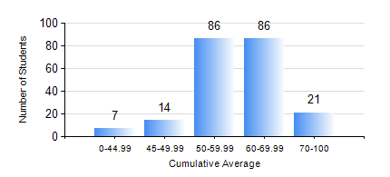
 |  |  | KWAME NKRUMAH UNIVERSITY OF SCIENCE AND TECHNOLOGY, KUMASI Department of Geological Engineering

 |  |  | BSC. GEOLOGICAL ENG.

 |  |  | COMPREHENSIVE RECORD OF EXAMINATION RESULTS

 |  |  | RESULTS OF YEAR 2 FIRST SEMESTER, 2021/2022 ACADEMIC YEAR

 | Sn | Course Code |  | Course Name | Credit Hours | Min. Mark | Max. Mark | Avg. Mark | Std. Dev. | No. Passed | No. Trailed | No. (Df) | No. (I) | No. (I*) | No. Tagged(I,I*,Df) | Total
 | 0. |  |  |  |  |  |  | 0 | 0 | 0 | 0 | 0 | 0 | 0 | 0 | 13
 | 1. | CE 251 |  | STRENGTH OF MATERIALS | 2 | 12 | 86 | 53 | 13.84 | 175 | 26 | 0 | 0 | 0 | 0 | 201
 | 2. | CE 255 |  | THEORY OF STRUCTURES | 3 | 0 | 88 | 50 | 15.43 | 179 | 22 | 0 | 0 | 0 | 0 | 201
 | 3. | CENG 291 |  | ENGINEERING IN SOCIETY | 2 | 40 | 89 | 67 | 10.57 | 201 | 0 | 0 | 0 | 0 | 0 | 201
 | 4. | GED 251 |  | MINERALOGY | 3 | 8 | 81 | 55 | 13.2 | 188 | 13 | 0 | 0 | 0 | 0 | 201
 | 5. | GED 253 |  | PHYSICAL GEOLOGY | 3 | 29 | 91 | 65 | 11.94 | 200 | 1 | 0 | 0 | 0 | 0 | 201
 | 6. | GED 267 |  | COMPUTER PROGRAMMING | 2 | 10 | 83 | 56 | 12.93 | 191 | 10 | 0 | 0 | 0 | 0 | 201
 | 7. | MATH 251 |  | DIFFERENTIAL EQUATIONS | 4 | 30 | 82 | 57 | 9.97 | 197 | 4 | 0 | 0 | 0 | 0 | 201

